Sheet1
Problem 1

Problem 2

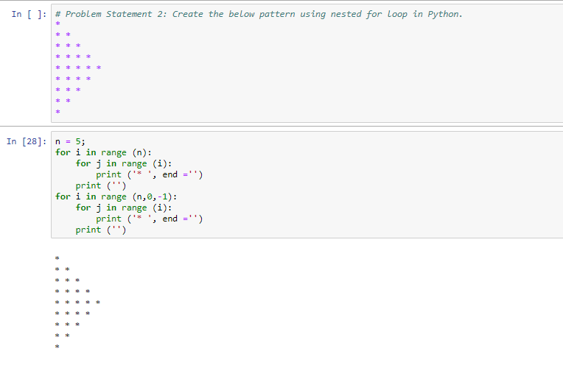

Problem 3

Prpblem 4

